PCA-SVC
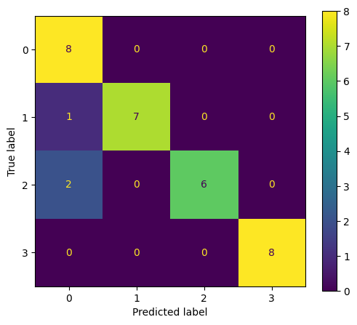
precision | recall | f1-score | support
0.72727272727 | 1 | 0.84210526316 | 8
1 | 0.875 | 0.93333333333 | 8
1 | 0.75 | 0.85714285714 | 8
1 | 1 | 1 | 8
0.90625 | 0.90625 | 0.90625 | 0.90625
0.93181818182 | 0.90625 | 0.90814536341 | 32
0.93181818182 | 0.90625 | 0.90814536341 | 32

PCA-GaussianNB
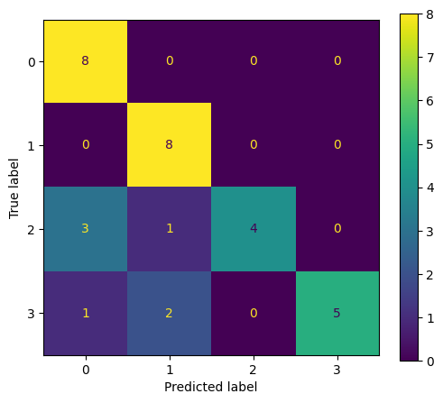
precision | recall | f1-score | support
0.66666666667 | 1 | 0.8 | 8
0.8 | 1 | 0.88888888889 | 8
1 | 0.5 | 0.66666666667 | 8
1 | 0.75 | 0.85714285714 | 8
0.8125 | 0.8125 | 0.8125 | 0.8125
0.86666666667 | 0.8125 | 0.80317460317 | 32
0.86666666667 | 0.8125 | 0.80317460317 | 32

PCA-BernoulliNB
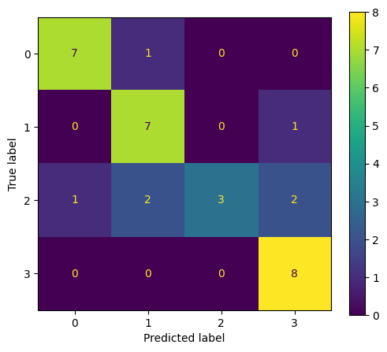
precision | recall | f1-score | support
0.5 | 1 | 0.66666666667 | 8
0.66666666667 | 0.75 | 0.70588235294 | 8
1 | 0.125 | 0.22222222222 | 8
1 | 0.75 | 0.85714285714 | 8
0.65625 | 0.65625 | 0.65625 | 0.65625
0.79166666667 | 0.65625 | 0.61297852474 | 32
0.79166666667 | 0.65625 | 0.61297852474 | 32

PCA-RandomForestClassifier
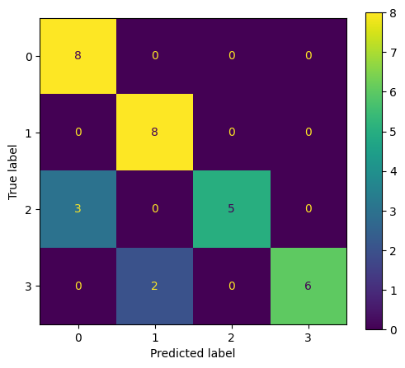
precision | recall | f1-score | support
0.72727272727 | 1 | 0.84210526316 | 8
0.8 | 1 | 0.88888888889 | 8
1 | 0.625 | 0.76923076923 | 8
1 | 0.75 | 0.85714285714 | 8
0.84375 | 0.84375 | 0.84375 | 0.84375
0.88181818182 | 0.84375 | 0.83934194461 | 32
0.88181818182 | 0.84375 | 0.83934194461 | 32

PCA-DecisionTreeClassifier
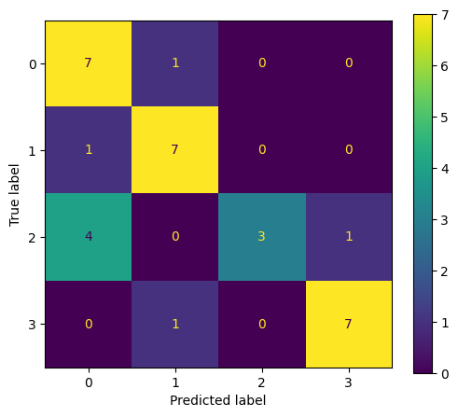
precision | recall | f1-score | support
0.58333333333 | 0.875 | 0.7 | 8
0.75 | 0.75 | 0.75 | 8
1 | 0.625 | 0.76923076923 | 8
1 | 0.875 | 0.93333333333 | 8
0.78125 | 0.78125 | 0.78125 | 0.78125
0.83333333333 | 0.78125 | 0.78814102564 | 32
0.83333333333 | 0.78125 | 0.78814102564 | 32

PCA-AdaBoostClassifier
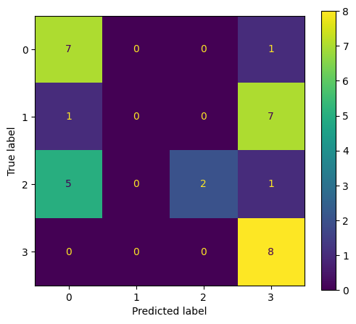
precision | recall | f1-score | support
0.5 | 0.875 | 0.63636363636 | 8
0.45454545455 | 0.625 | 0.52631578947 | 8
1 | 0.375 | 0.54545454545 | 8
0.75 | 0.375 | 0.5 | 8
0.5625 | 0.5625 | 0.5625 | 0.5625
0.67613636364 | 0.5625 | 0.55203349282 | 32
0.67613636364 | 0.5625 | 0.55203349282 | 32

PCA-GradientBoostingClassifier
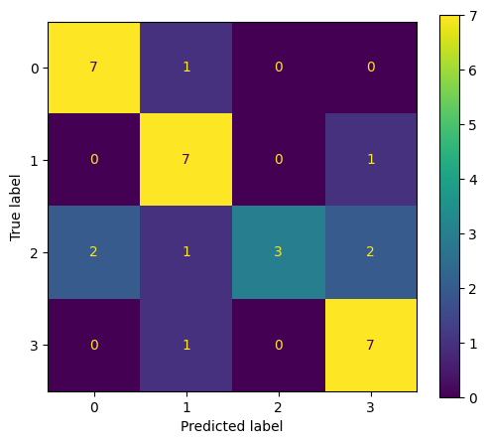
precision | recall | f1-score | support
0.63636363636 | 0.875 | 0.73684210526 | 8
0.58333333333 | 0.875 | 0.7 | 8
1 | 0.5 | 0.66666666667 | 8
1 | 0.625 | 0.76923076923 | 8
0.71875 | 0.71875 | 0.71875 | 0.71875
0.80492424242 | 0.71875 | 0.71818488529 | 32
0.80492424242 | 0.71875 | 0.71818488529 | 32

1D-CNN
